REG
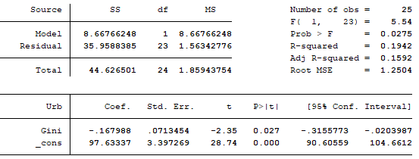
RESULTADOS REGRESIONES. PERÍODO 1990 - 2016

Tasa urbanización
Variable | Obs | Mean | Std. Dev. | Min | Max
Urb | 28 | 89 | 2 | 82,887 | 92

Índice de desarrollo humano (IDH)
Variable | Obs | Mean | Std. Dev. | Min | Max
IDH | 28 | 77.16071 | 4.472081 | 66.5 | 84.8

Índice de Gini
Variable | Obs | Mean | Std. Dev. | Min | Max
Gini | 25 | 47 | 4 | 42 | 53.8

Regresión con todas las variables
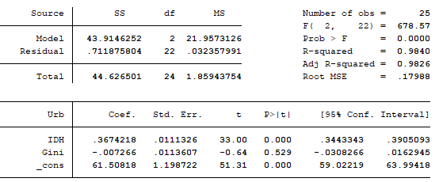

Regresión urbanización e índice de desarrollo humano
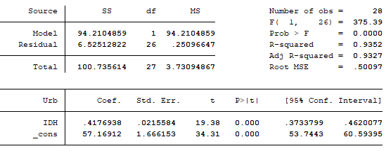

Regresión urbanización y desigualdad de ingresos

